Lembar1
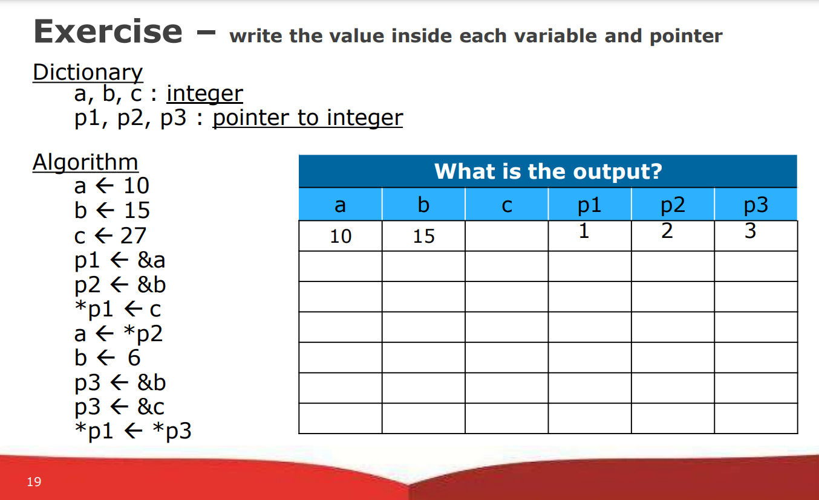
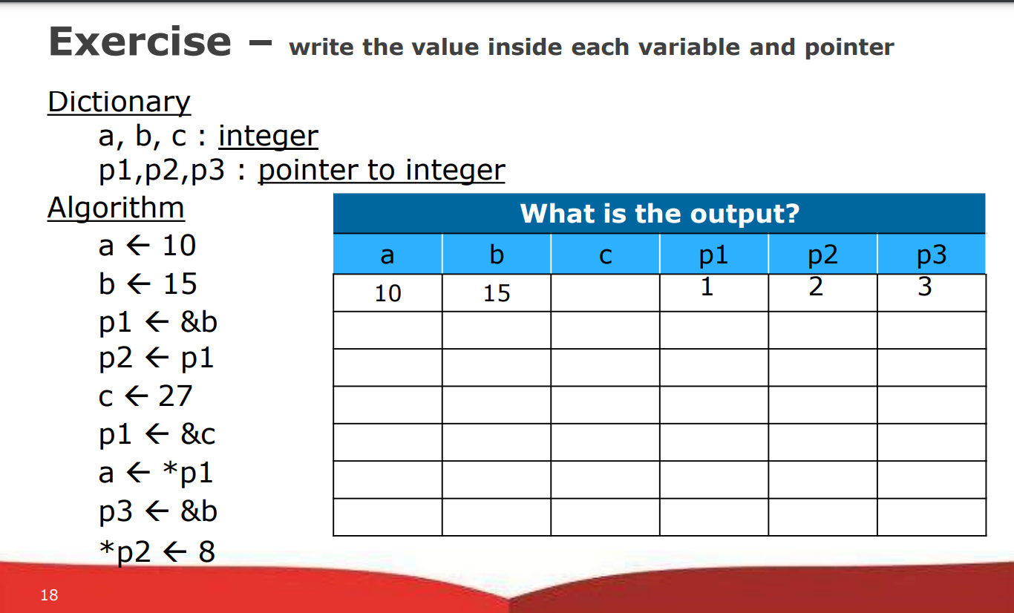
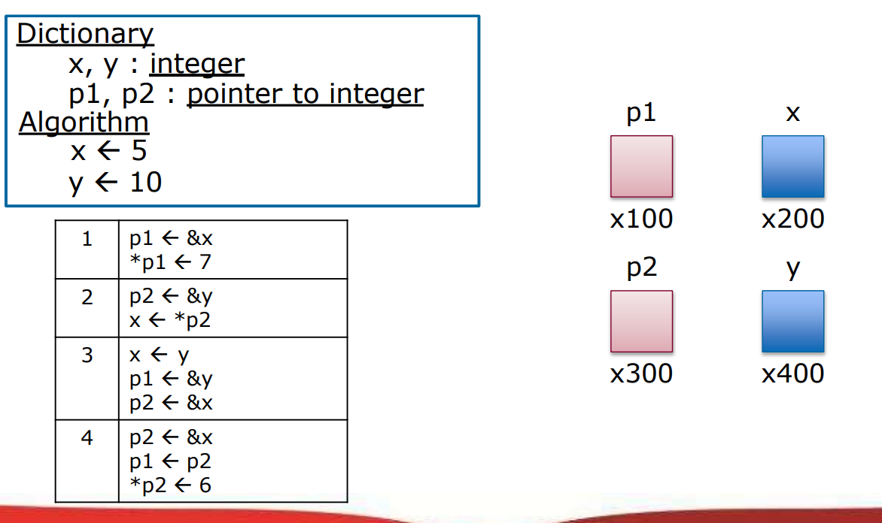

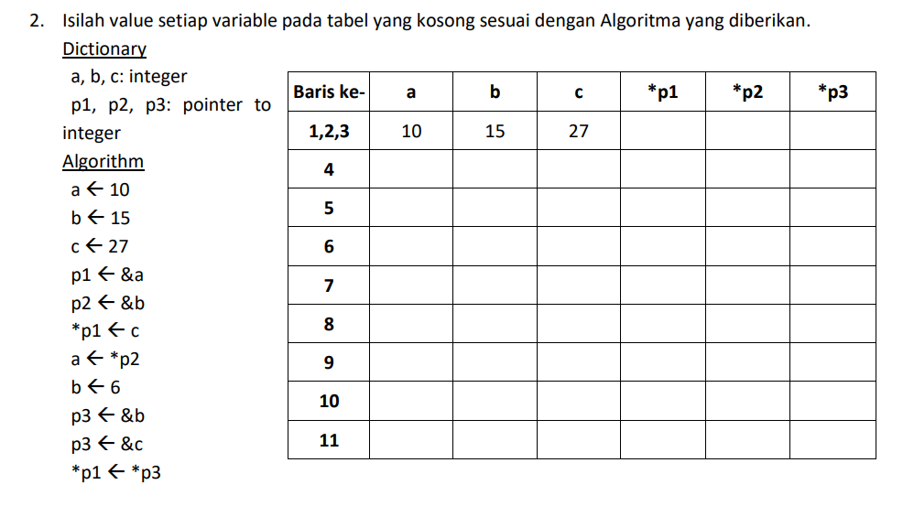
No. | Algorithm | X | Y | P1 | P2 |  | no. | Algortihm | A | B | C | P1 | P2 | P3
 |  | 5 | 10 | x100 | x300 |  | 0 |  | 10 | 15 |  | 1 | 2 | 3
1 | p1 <-&x | 5 | 10 | x200 | x300 |  | 1 | a <- 10 | 10 | 15 |  | 1 | 2 | 3
 | *p1<-7 | 7 | 10 | x200 | x300 |  | 2 | b <- 15 | 10 | 15 |  | 1 | 2 | 3
2 | p2<-&y | 7 | 10 | x200 | x400 |  | 3 | p1 <- &b | 10 | 15 |  | 2 | 2 | 3
 | x<-*p2 | 10 | 10 | x200 | x400 |  | 4 | p2 <- p1 | 10 | 15 |  | 2 | 2 | 3
3 | x<-y | 10 | 10 | x200 | x400 |  | 5 | c <- 27 | 10 | 15 | 27 | 2 | 2 | 3
 | p1 <- &y | 10 | 10 | x400 | x400 |  | 6 | p1 <- &c | 10 | 15 | 27 | 3 | 2 | 3
 | p2 <- &x | 10 | 10 | x400 | x200 |  | 7 | a <- *p1 | 10 | 15 | 27 | 3 | 2 | 3
4 | p2 <- &x | 10 | 10 | x400 | x200 |  | 8 | p3 <- &b | 10 | 15 | 27 | 3 | 2 | 2
 | p1 <- p2 | 10 | 10 | x200 | x200 |  | 9 | *p2 <- 8 | 10 | 8 | 27 | 3 | 2 | 2
 | *p2 <- 6 | 10 | 6 | x200 | x200

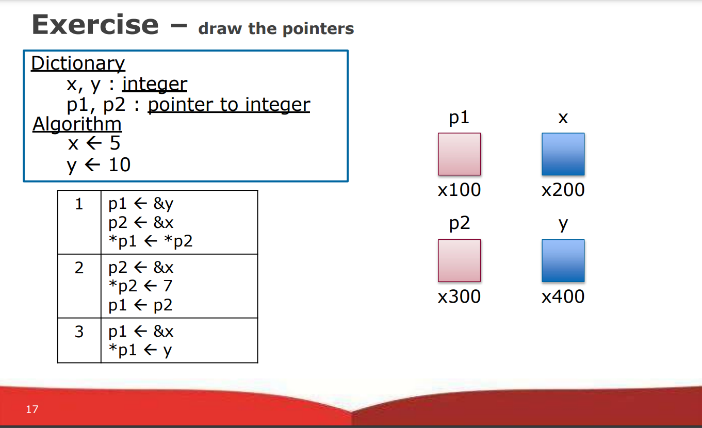
 |  |  |  |  |  |  |  |  |  |  |  |  |  |  | no. | Algortihm | A | B | C | P1 | P2 | P3
 |  |  |  |  |  |  |  |  |  |  |  |  |  |  |  |  | 10 | 15 |  | 1 | 2 | 3
 |  |  |  |  |  |  |  |  |  |  |  |  |  |  | 1 | a <- 10 | 10 | 15 |  | 1 | 2 | 3
 |  |  |  |  |  |  |  |  |  |  |  |  |  |  | 2 | b <- 15 | 10 | 15 |  | 1 | 2 | 3
 |  |  |  |  |  |  |  |  |  |  |  |  |  |  | 3 | c <- 27 | 10 | 15 | 27 | 1 | 2 | 3
 |  |  |  |  |  |  |  |  |  |  |  |  |  |  | 4 | p1 <- &a | 10 | 15 | 27 | 1 | 2 | 3
 |  |  |  |  |  |  |  |  |  |  |  |  |  |  | 5 | p2 <- &b | 10 | 15 | 27 | 1 | 2 | 3
 |  |  |  |  |  |  |  |  |  |  |  |  |  |  | 6 | *p1 <- c | 27 | 15 | 27 | 1 | 2 | 3
 |  |  |  |  |  |  |  |  |  |  |  |  |  |  | 7 | a <- *p2 | 15 | 15 | 27 | 1 | 2 | 3
 |  |  |  |  |  |  |  |  |  |  |  |  |  |  | 8 | b <- 6 | 15 | 6 | 27 | 1 | 2 | 3
 |  |  |  |  |  |  |  |  |  |  |  |  |  |  | 9 | p3 <- &b | 15 | 6 | 27 | 1 | 2 | 2
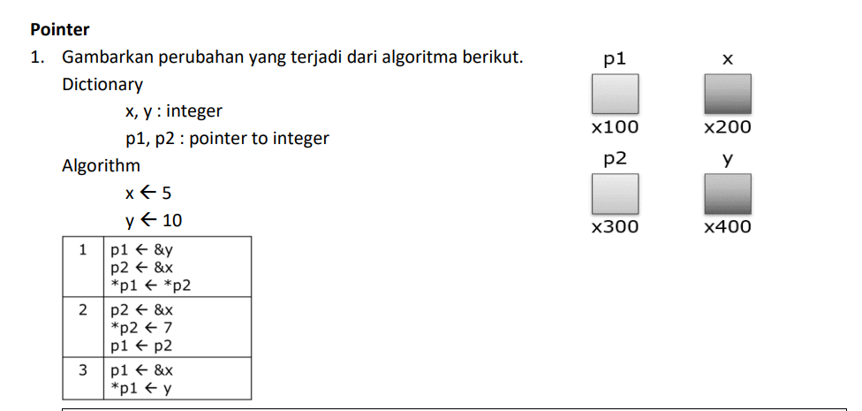
 |  |  |  |  |  |  |  |  |  |  |  |  |  |  | 10 | p3 <- &c | 15 | 6 | 27 | 1 | 2 | 3

 | No. | Algorithm | X | Y | P1 | P2
 |  |  | 5 | 10 | X100 | X300
 | 1 | p1 <- &y | 5 | 10 | x400 | X301
 |  | p2 <- &x | 5 | 10 | x400 | x200
 |  | *p1 <- *p2 | 5 | 5 | x400 | x200
 | 2 | p2 <- &x | 5 | 5 | x400 | x200
 |  | *p2 <- 7 | 7 | 5 | x400 | x200
 |  | p1 <- p2 | 7 | 5 | x200 | x200
 | 3 | p1 <- &x | 7 | 5 | x200 | x200
 |  | *p1 <- y | 5 | 5 | x200 | X200

